Watershed Regional Storage
Project Type: Stand Alone Regional Storage
Unit Cost Estimate Calculations

Unit Cost Summary
Cost per total contributing project area | $220,600 | per acre
Cost per total contributing impervious area | $520,897 | per acre
Cost per volume of stormwater management storage | $313,794 | per acre-inch

Project Area Characteristics
Description | Value | Units | Notes
Typical Block in Homewood
Total area | 3.70 | ac | Typical block size in Homewood measured along roadway centerline
Total impervious area | 1.57 | ac | Impervious Area Percentage for City = 42.34%
Total properties | 38
Total curb length | 1,400 | LF | Curb immediately surrounding block
Total existing inlets | 4 |  | Downslope ends of curb line immediately surrounding block
Total sewer length | 880 | LF | Downslope sides of block only (upslope sewers counted with next upslope block)

20 acre project
Project area attributes
Total blocks | 5.405 | blocks | Project attributes scaled from typical block in Homewood
Total area | 20.00 | ac
Total impervious area | 8.47 | ac | Impervious Area Percentage for City = 42.34%
Total properties | 205
Total curb length | 7,567 | LF
Total existing inlets | 22
Total sewer length | 4,756 | LF

Storm sewer sizing
C-value (weighted) | 0.60 |  | Pervious Areas = 0.35; Impervious Areas = 0.95
Intensity 5-year storm | 6.29 | in/hr | NOAA Atlas 14, 5 min Tc, 1.15 climate change adjustment per SW Design Manual
Intensity 10-year storm | 7.12 | in/hr | NOAA Atlas 14, 5 min Tc, 1.15 climate change adjustment per SW Design Manual
Q5 | 75.48 | cfs | Rational Method Calculation. 5-year storm for CS area LOS.
Q10 | 85.44 | cfs | Rational Method Calculation. 10-year storm for MS4 area LOS.
Max pipe diameter for 5-year storm | 36 | in | Assume: 2% slope, n=0.013
Max pipe diameter for 10-year storm | 36 | in | Assume: 2% slope, n=0.013
(1/3)*Q5 | 25.16 | cfs | 1/3 of Q5 used to calculate average pipe diameter throughout project area
(1/3)*Q10 | 28.48 | cfs | 1/3 of Q10 used to calculate average pipe diameter throughout project area
Average pipe diameter for 5-year storm throughout project area | 24 | in | Assume 2% slope, n=0.013
Average pipe diameter for 10-year storm throughout project area | 24 | in | Assume 2% slope, n=0.013
 |  |  |  |  |  | $311,388.58
Stormwater management storage sizing
Volume storage needed | 14.06 | ac-in | IA x 1.66" (95th percentile storm per new Code)
Storage area footprint needed | 0.59 | ac | Assume 2 feet of effective storage depth per acre
Loading Ratio | 14 |  | Storage area footprint : IA

Construction Cost Estimate
Description | Unit | Qty | Unit Cost | Total | Qty Notes | Unit Cost Notes
Stormwater Conveyance
New high level storm sewer (CS) or storm sewer replacement (MS4) | LF | 4,756 | $445.25 | $2,117,609 |  | 24-in dia sewer unit cost derived from PWSA average unit costs. Includes excavation, pipe, manholes, and repaving.
New storm sewer inlets | Each | 22 | $5,499 | $120,978 | Replace all inlets or redirect inlet laterals | G-38 - PWSA Average Unit Cost
New storm sewer laterals from existing structures | LF | 5,125 | $51.40 | $263,425 | Assume 25 LF per lateral. Assume 50% of properties. | S-34 - PWSA Average Unit Cost 2021
Curb replacement | LF | 1,513 | $89.50 | $135,449 | 20% of existing curbs | R-4 - PWSA Average Unit Cost 2021
Stormwater Conveyance Subtotal |  |  |  | $2,637,461

Stormwater Management Storage - Regional Wetland
Excavation and disposal of material | CY | 4,725.79 | $51.35 | $242,669 | Assume 5 foot deep excavation over storage area footprint needed | G-19 - PWSA Average Unit Cost
Outlet control structure | EA | 2.00 | $8,446.67 | $16,893 |  | G-47 - PWSA Average Unit Cost
Landscaping | EA | 3,000.00 | $18.00 | $54,000 | Assume 1 gal containers approx 36" O.C. | G-52 and 55 - PWSA Average Unit Cost
Inflow and outflow connections | LS | 1.00 | $20,000.00 | $20,000 |  | Estimated
Stormwater Management Storage Subtotal |  |  |  | $333,563

Additional Items and Contingencies
Stormwater Conveyance + Stormwater Management Storage |  |  |  | $2,971,024 | Sum of subtotals above
Additional miscellaneous items (10%) |  |  |  | $297,102
Subtotal |  |  |  | $3,268,126
General conditions, MOT, MOF, E&SC, contingency (35%) |  |  |  | 1,143,844
TOTAL CONSTRUCTION COST |  |  |  | 4,412,000 | Rounded to thousands

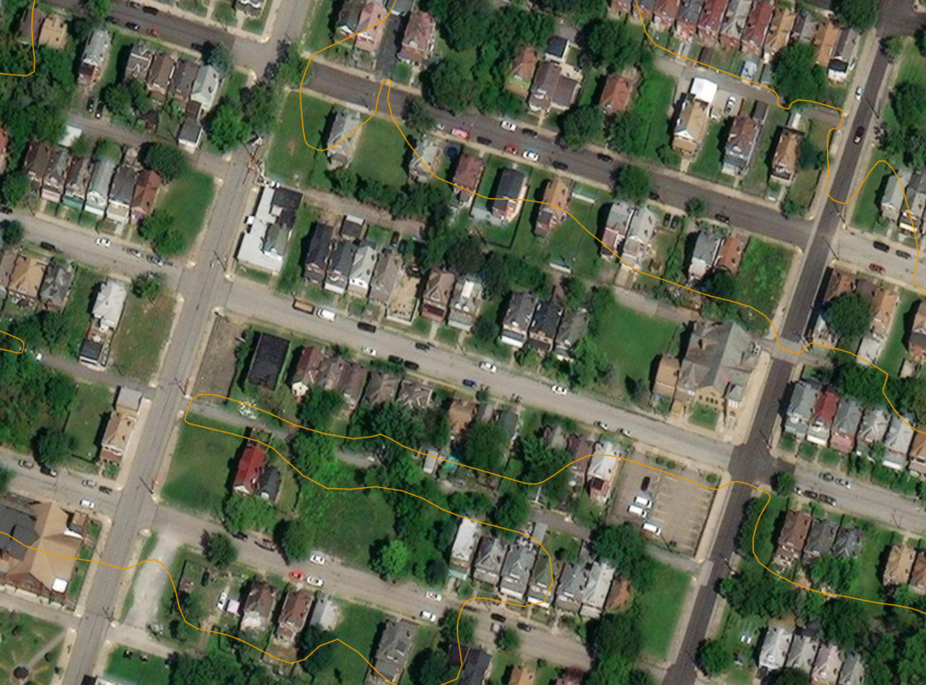

Watershed Ravine Storage
Project Type: Ravine Storage
Unit Cost Estimate Calculations

Unit Cost Summary
Cost per total contributing project area | $260,206 | per acre
Cost per total contributing impervious area | $614,584 | per acre
Cost per volume of stormwater management storage | $370,231 | per acre-inch

Project Area Characteristics
Description | Value | Units | Notes
Typical Block in Knoxville (upslope of McKinley Park)
Total area | 4.20 | ac | Typical block size in Knoxville measured along roadway centerline
Total impervious area | 1.78 | ac | Impervious Area Percentage for City = 42.34%
Total properties | 35
Total curb length | 1,800 | LF | Curb immediately surrounding block
Total existing inlets | 4 |  | Downslope ends of curb line immediately surrounding block
Total sewer length | 950 | LF | Downslope sides of block only (upslope sewers counted with next upslope block)

McKinley Park Upslope Area
Project area attributes
Total blocks | 45 | blocks | Project attributes scaled from typical block in Knoxville
Total area | 189.00 | ac
Total impervious area | 80.02 | ac | Impervious Area Percentage for City = 42.34%
Total properties | 1,575
Total curb length | 81,000 | LF
Total existing inlets | 180
Total sewer length | 42,750 | LF

Storm sewer sizing
C-value (weighted) | 0.60 |  | Pervious Areas = 0.35; Impervious Areas = 0.95
Intensity 5-year storm | 6.29 | in/hr | NOAA Atlas 14, 5 min Tc, 1.15 climate change adjustment per SW Design Manual
Intensity 10-year storm | 7.12 | in/hr | NOAA Atlas 14, 5 min Tc, 1.15 climate change adjustment per SW Design Manual
Q5 | 713.29 | cfs | Rational Method Calculation. 5-year storm for CS area LOS.
...
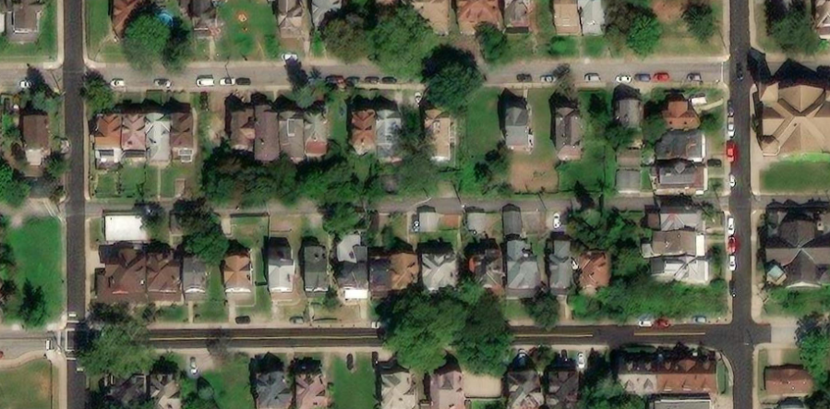

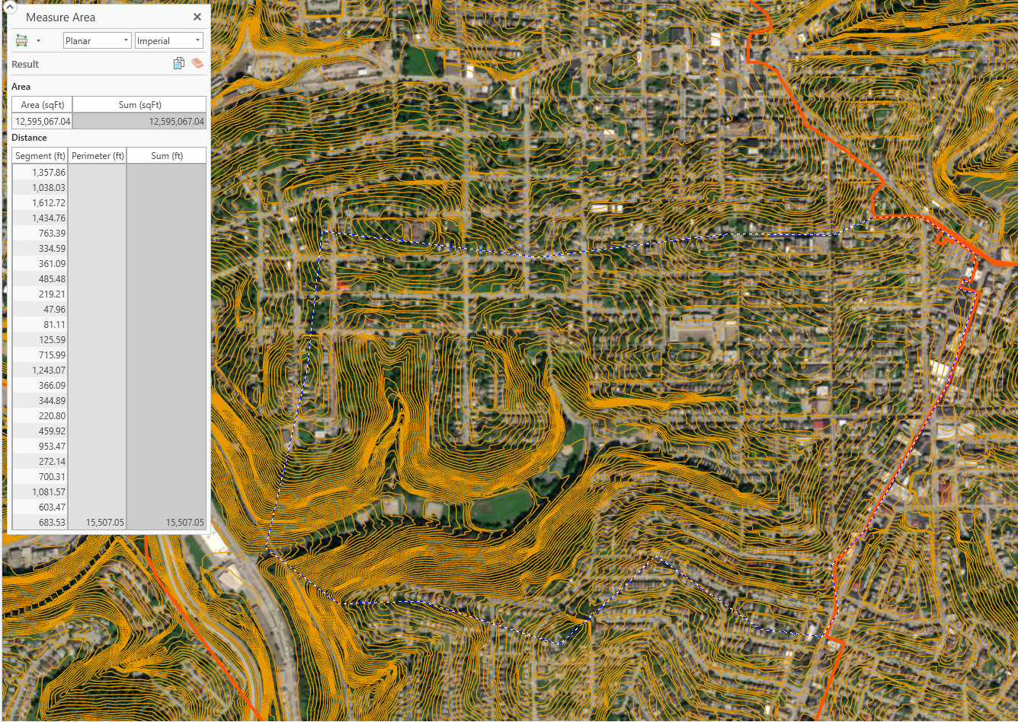

Watershed Developer Add-On
...
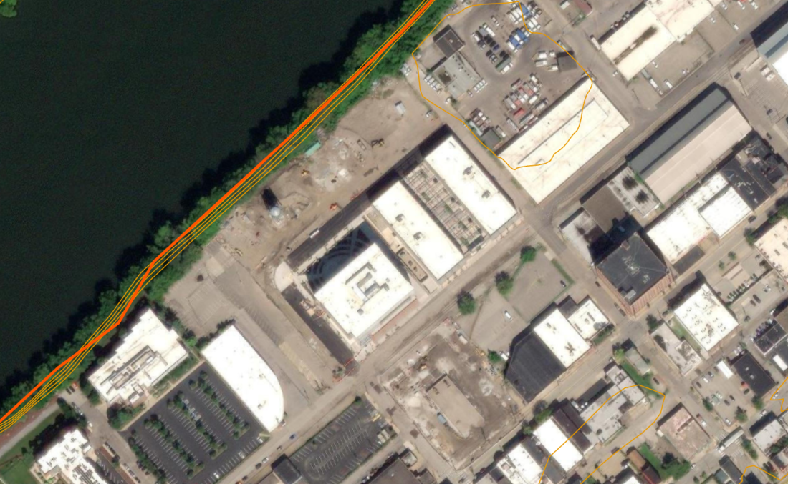

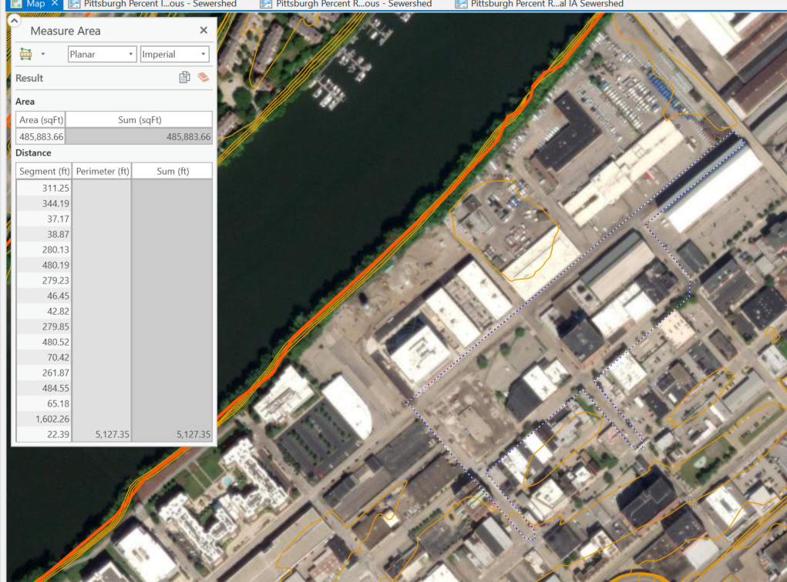

Floodplain Storage
...
